1_Delegated acts
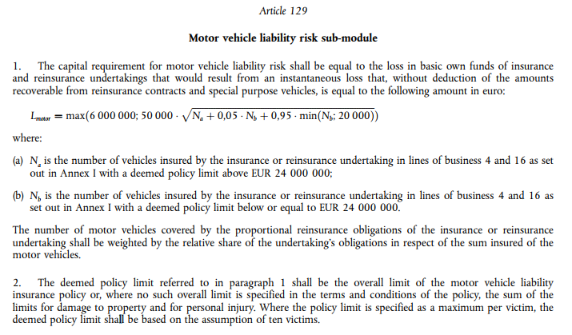

2_Simulation with current Form.
The motor vehicule liability risk sub-module

SCR of portfolio with policies with a limit less than 24 m€
SCR given the part of N_a
Parameters used in the Standard Formula
Minimum capital requirement for motor vehicle liability | 6,000,000
Parameter 1 | 50,000
Parameter 2 | 5%
Parameter 3 | 95%
Parameter 4 | 20,000

N_a | The number of vehicles insured with a deemed policy limit above EUR 24 000 000
N_b | The number of vehicles insured with a deemed policy limit below or equal EUR 24 000 000

Scenario | Company Id | Total number of vehicules | Part of N_a vehicules | N_a | N_b | L_motor (m€) | Ratio SCR_ScenarioB/SCR_ScenarioA
A - Underwriting policies with limit below 24 m€ | 1 | 1 | 0 | - | 1 | 6.0 | 1.0
 | 2 | 1,000 | 0 | - | 1,000 | 6.0 | 1.0
 | 3 | 14,500 | 0 | - | 14,500 | 6.0 | 1.0
 | 4 | 100,000 | 0 | - | 100,000 | 7.7 | 2.0
SCR of portfolio with policies with a limit greater than 24 m€
 | 5 | 1,000,000 | 0 | - | 1,000,000 | 13.1 | 3.8
 | 6 | 10,000,000 | 0 | - | 10,000,000 | 36.0 | 4.4
B - Underwriting policies with limit above 24 m€ (example : French Market). This is the no limit scenario | 7 | 1 | 1 | 1 | - | 6.0
 | 8 | 1,000 | 1 | 1,000 | - | 6.0
 | 9 | 14,500 | 1 | 14,500 | - | 6.0
 | 10 | 100,000 | 1 | 100,000 | - | 15.8
 | 11 | 1,000,000 | 1 | 1,000,000 | - | 50.0
 | 12 | 10,000,000 | 1 | 10,000,000 | - | 158.1
C - European market (Realistic Portfolio) | 13 | 1,000 | 30% | 300 | 700 | 6.0 | 1.0
 | 14 | 1,000 | 50% | 500 | 500 | 6.0 | 1.0
 | 15 | 1,000 | 80% | 800 | 200 | 6.0 | 1.0
 | 16 | 14,500 | 30% | 4,350 | 10,150 | 6.0 | 1.0
 | 17 | 14,500 | 50% | 7,250 | 7,250 | 6.0 | 1.0
 | 18 | 14,500 | 80% | 11,600 | 2,900 | 6.0 | 1.0
 | 19 | 100,000 | 30% | 30,000 | 70,000 | 11.5 | 1.4
 | 20 | 100,000 | 50% | 50,000 | 50,000 | 13.4 | 1.2
 | 21 | 100,000 | 80% | 80,000 | 20,000 | 15.8 | 1.0
 | 22 | 1,000,000 | 30% | 300,000 | 700,000 | 29.7 | 1.7
 | 23 | 1,000,000 | 50% | 500,000 | 500,000 | 36.9 | 1.4
 | 24 | 1,000,000 | 80% | 800,000 | 200,000 | 45.5 | 1.1
 | 25 | 10,000,000 | 30% | 3,000,000 | 7,000,000 | 91.8 | 1.7
 | 26 | 10,000,000 | 50% | 5,000,000 | 5,000,000 | 114.8 | 1.4
 | 27 | 10,000,000 | 80% | 8,000,000 | 2,000,000 | 142.5 | 1.1

Remarks :
If the limit is removed, we should, even though, keep a conservative approach. That is to say, the future SCR should be greater than (or at least equal) the current SCR.

Thus, the future SCR should be a least equal to the case when :
- we suppose that all vehicles are insured with a deemed policy limit above EUR 24 000 000.

Basically, If we suppress the limit, the SCR of the compagnies in the scenario A, will be at least doubled.

Basically, If we suppress the limit, the SCR of the compagnies in the scenario C, will be at most doubled.

